Calc Documentation
The e-Highway2050 project aims to put forward a Modular Development Plan at the 2050 time horizon for Entso-e member TSOs
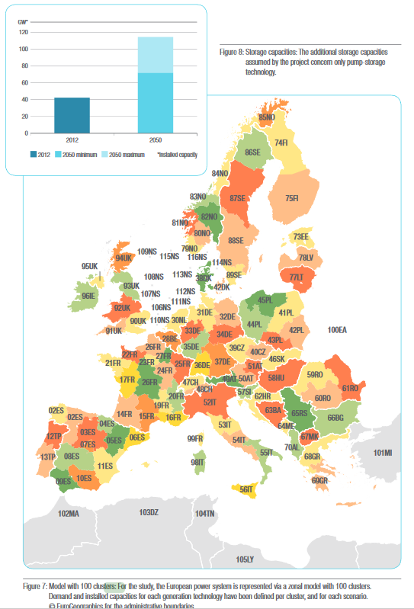
In the project, a number of scenarios were developed. For the EPS BAU scenario, the
e-highway scenario "Big &markt" was chosen:
"In this scenario, the electricity sector is assumed to be market-driven. A prefer-ence is thus given
to centralised projects ( renewable and non-renewable ) and no source of energy is excluded.
Carbon Capture Storage is assumed to be mature. GDP growth is high. Electrification of
transport and heating is signifi cant but energy effi ciency is limited."

Within the sope of the project, a "starting grid" for the year 2030 (based on the TYNDP) was developed
and 2050 was the target year of the study.
Instead of using a static topological grid-model, within the project, a clustered grid with
100 equivalent nodes was used (see figure).
Since Entso-e area goes beyond EU28 (see Sheet CountryList), all non-EU28 nodes
were manually removed for the EPS (see T93 (Mod) T94 (Mod)).

The modified 2030 and 2050 transmission capacity values from the study were then used
as "base points" for linear inter- and extrapolation in order to calculate
yearly BTC values (see sheet Calc)

Calc
Scenario | Market |  |  | 2018 | 2019 | 2020 | 2021 | 2022 | 2023 | 2024 | 2025 | 2026 | 2027 | 2028 | 2029 | 2030 | 2031 | 2032 | 2033 | 2034 | 2035 | 2036 | 2037 | 2038 | 2039 | 2040 | 2041 | 2042 | 2043 | 2044 | 2045 | 2046 | 2047 | 2048 | 2049 | 2050
Scope | EU28 (manually modified from Entso-e dataset) |  | GW*km | 107566.25676 | 110891.3036 | 114216.35045 | 117541.3973 | 120866.44415 | 124191.49099 | 127516.53784 | 130841.58469 | 134166.63153 | 137491.67838 | 140816.72523 | 144141.77207 | 147466.81892 | 150791.86577 | 154116.91261 | 157441.95946 | 160767.00631 | 164092.05315 | 167417.1 | 170742.14685 | 174067.19369 | 177392.24054 | 180717.28739 | 184042.33423 | 187367.38108 | 190692.42793 | 194017.47477 | 197342.52162 | 200667.56847 | 203992.61531 | 207317.66216 | 210642.70901 | 213967.75585
 |  |  | MW*miles | 66838739.333 | 68904832.792 | 70970926.25 | 73037019.709 | 75103113.168 | 77169206.626 | 79235300.085 | 81301393.543 | 83367487.002 | 85433580.461 | 87499673.919 | 89565767.378 | 91631860.837 | 93697954.295 | 95764047.754 | 97830141.213 | 99896234.671 | 101962328.13 | 104028421.59 | 106094515.05 | 108160608.51 | 110226701.96 | 112292795.42 | 114358888.88 | 116424982.34 | 118491075.8 | 120557169.26 | 122623262.72 | 124689356.17 | 126755449.63 | 128821543.09 | 130887636.55 | 132953730.01
Year | 2030
TransCap in GW*km
Transcap | 147466.81892 | GW*km

Year | 2050
Transcap Additional | 66500.936934 | GW*km
Transcap tot | 213967.75585 | GW*km

Slope | 3325.0468467 | GW*km / year

